fdi_pst_principal
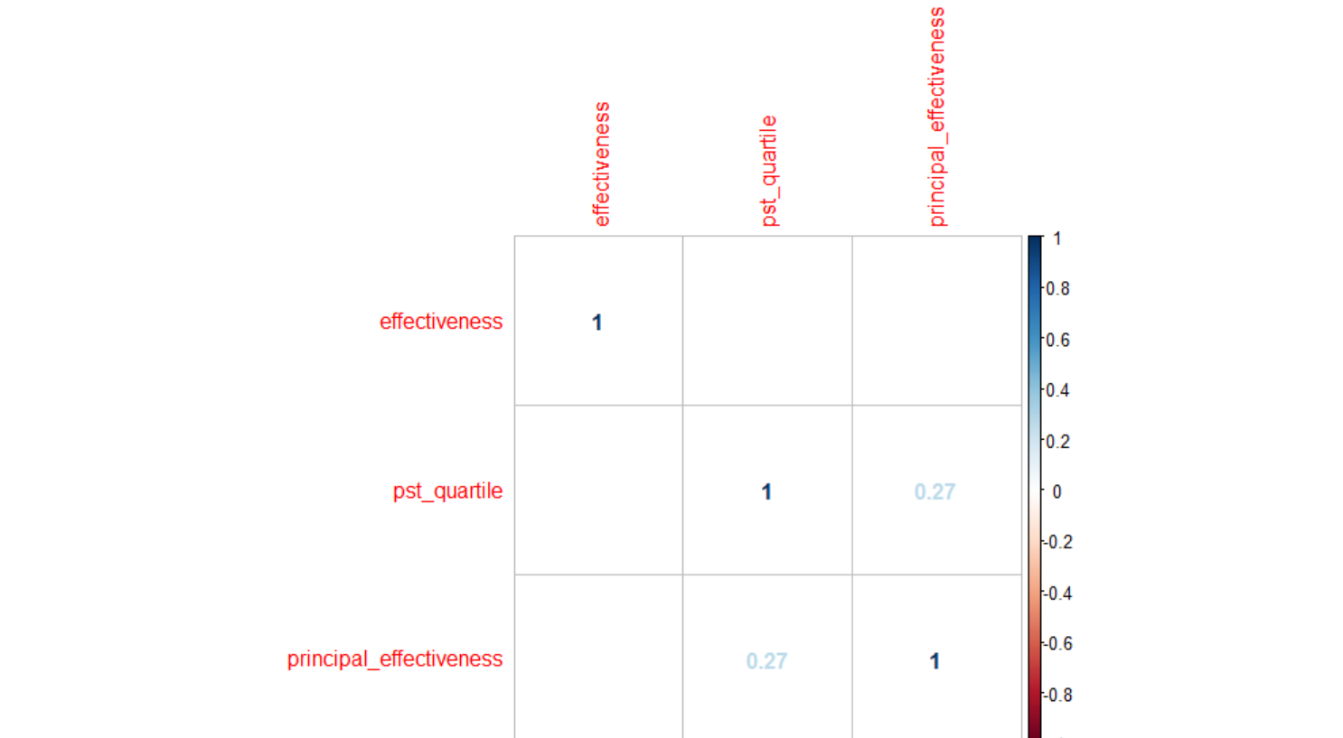
effectiveness | mean_pst_rating
1 | 2.66
2 | 2.66
3 | 2.69
4 | 2.72
*while there is no significant correlation between FDI effectiveness rating
and PST scores, there is a trend of those rated higher on FDI also having
a higher PST score

principal_effectiveness | effectiveness | percent
0 | 1 | 50.00%
2 | 1 | 15.38%
3 | 1 | 12.00%
NA | 1 | 7.02%
0 | 2 | 50.00%
1 | 2 | 100.00%
2 | 2 | 57.69%
3 | 2 | 72.00%
4 | 2 | 66.67%
NA | 2 | 75.44% | *there is a moderate, significant correlation between pst quartile and principal survey ratings
2 | 3 | 19.23%
3 | 3 | 16.00%
4 | 3 | 33.33%
NA | 3 | 17.54%
2 | 4 | 7.69%

*no clear relationship between fdi effectiveness and principal ratings

principal_effectiveness | pst_quartile | percent
0 | 1 | 100.00%
1 | 1 | 33.33%
2 | 1 | 11.54%
3 | 1 | 28.00%
NA | 1 | 28.07%
2 | 2 | 38.46%
3 | 2 | 20.00%
NA | 2 | 24.56%
1 | 3 | 66.67%
2 | 3 | 23.08%
3 | 3 | 20.00%
NA | 3 | 36.84%
2 | 4 | 26.92%
3 | 4 | 32.00%
4 | 4 | 100.00%
NA | 4 | 10.53%

*there is a moderate, significant correlation between pst quartile and principal rating

anchor and nonanchor
cohort | anchor mean | non anchor mean
Jun-16 | 2.602246 | 2.663803
Sep-16 | 2.80819 | 2.721466
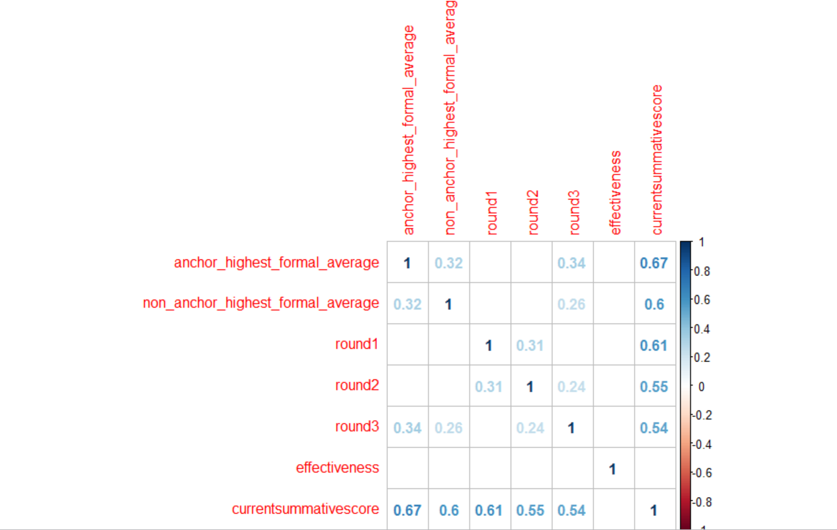
*the average anchor and non-anchor technique scores were higher for the September 2016 cohort
than the June 2016 cohort

*while both are stronlgy correlated with final PST score, anchor technique scores
are most closely correlated with final PST scores (as compared to non-anchor techniques)

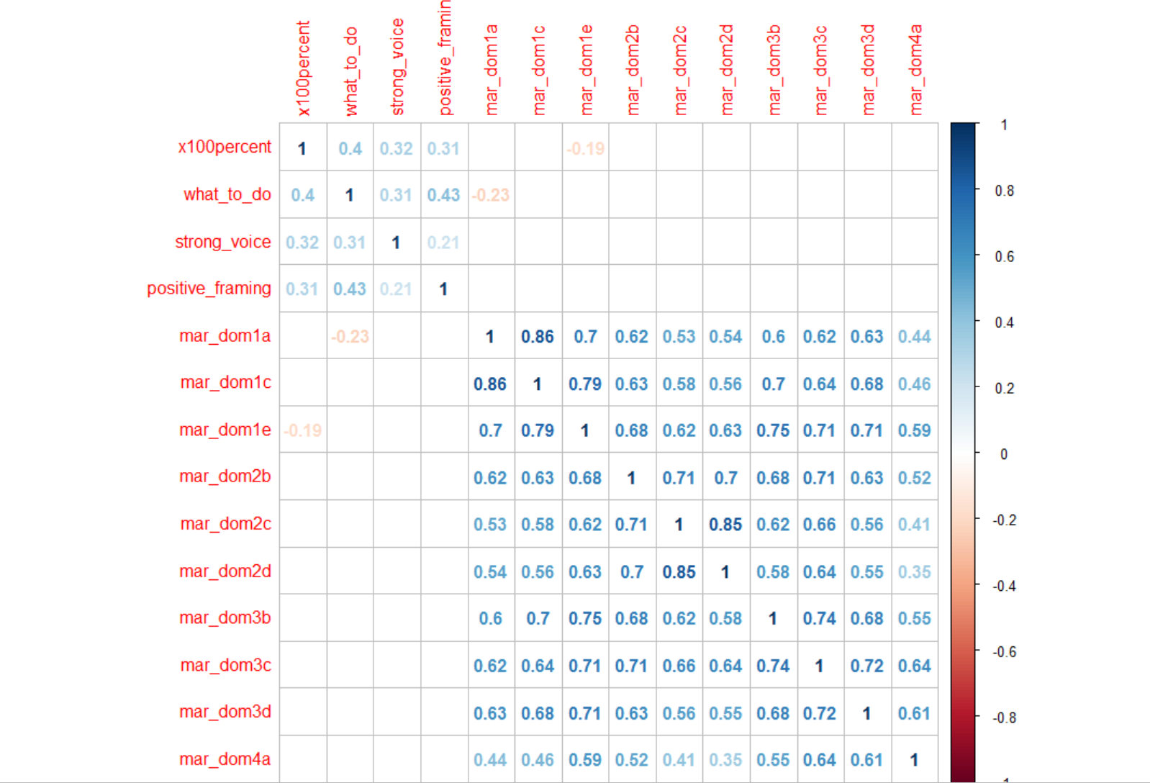

*the correlation matrix to the right shows correlations between all anchor techniques and domains of FDI

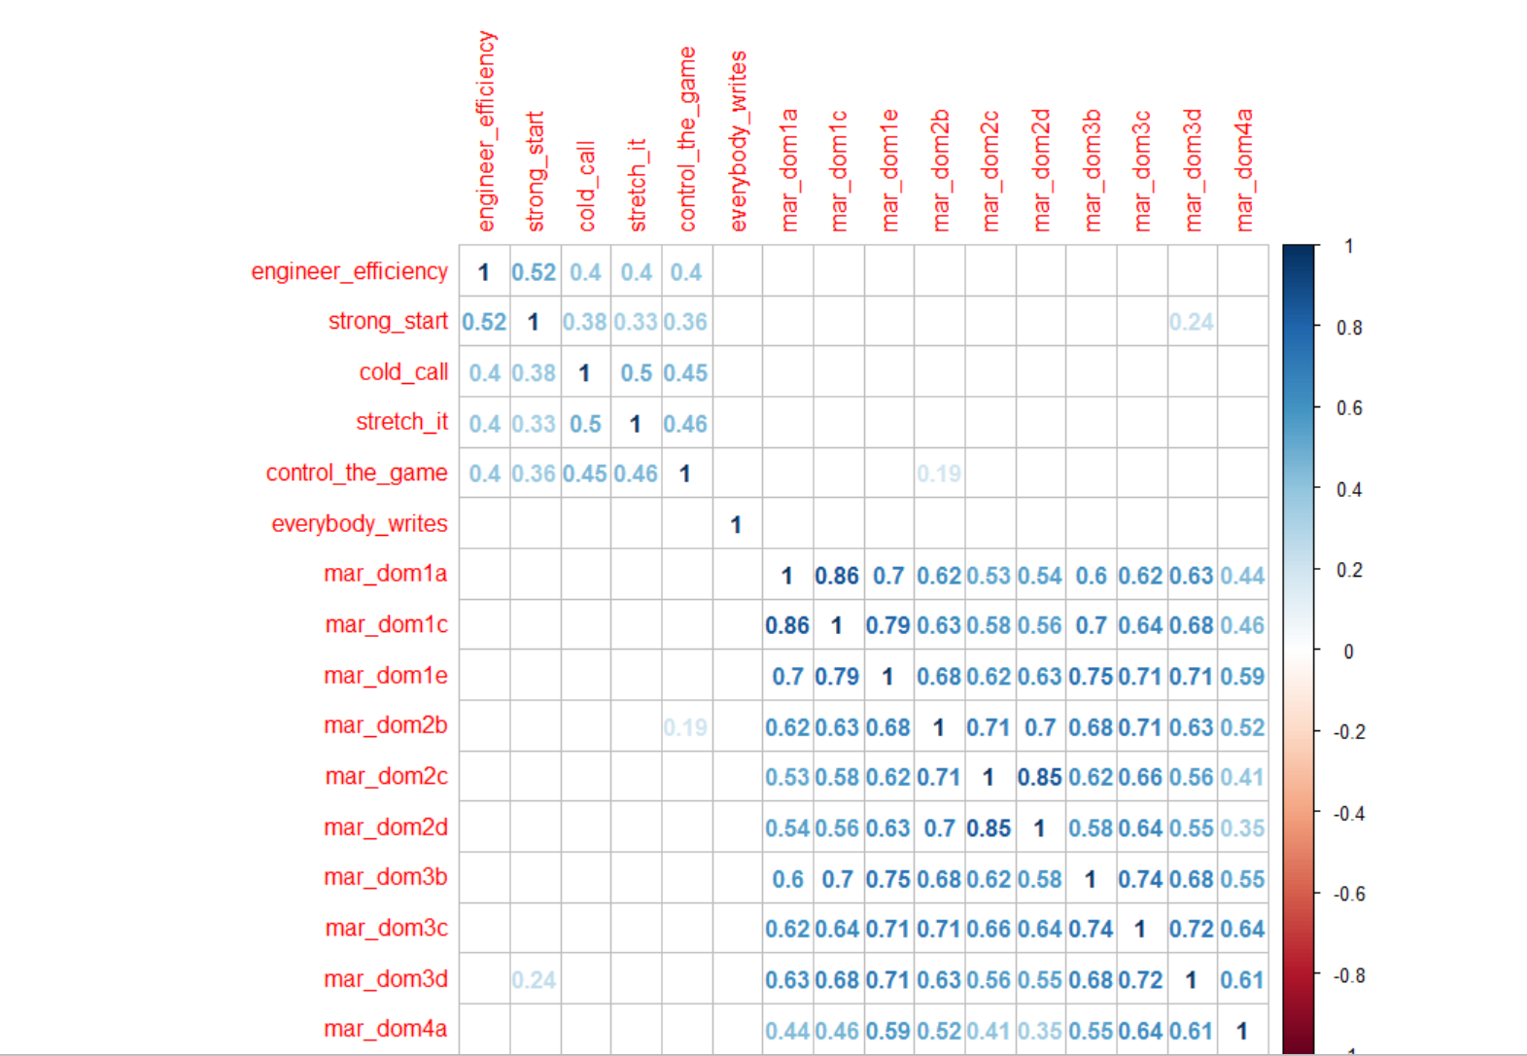

*the correlation matrix to the right shows correlations between all non-anchor techniques and domains of FDI

coach_ratings
level | principal_effectiveness | percent |  |  | level | effectiveness | percent | level | pst_quartile | percent
1 | 2 | 33.33% |  |  | 1 | 1 | 33.33% | 1 | 2 | 33.33%
1 | 3 | 33.33% |  |  | 1 | 2 | 33.33% | 1 | 3 | 33.33%
1 | NA | 33.33% |  |  | 1 | 4 | 33.33% | 1 | 4 | 33.33%
2 | 2 | 20.00% |  |  | 2 | 2 | 80.00% | 2 | 1 | 20.00%
2 | 3 | 10.00% |  |  | 2 | 3 | 20.00% | 2 | 2 | 40.00%
2 | 4 | 10.00% |  |  | 3 | 2 | 71.43% | 2 | 3 | 20.00%
2 | NA | 60.00% |  |  | 3 | 3 | 28.57% | 2 | 4 | 20.00%
3 | 0 | 7.14% |  |  | NA | 1 | 12.36% | 3 | 1 | 35.71%
3 | 1 | 14.29% |  |  | NA | 2 | 70.79% | 3 | 2 | 21.43%
3 | 3 | 21.43% |  |  | NA | 3 | 15.73% | 3 | 3 | 35.71%
3 | NA | 57.14% |  |  | NA | 4 | 1.12% | 3 | 4 | 7.14%
NA | 0 | 1.12% |  |  |  |  |  | NA | 1 | 24.72%
NA | 1 | 1.12% |  |  |  |  |  | NA | 2 | 23.60%
NA | 2 | 25.84% |  |  |  |  |  | NA | 3 | 29.21%
NA | 3 | 22.47% |  |  |  |  |  | NA | 4 | 22.47%
NA | 4 | 2.25%
NA | NA | 47.19%

*no correlation between coach rating and FE

 |  |  |  |  | level | d75 | count
 |  |  |  |  | 1 | D75 | 1
coachname | level |  |  |  | 1 | NA | 2
Riyad Baksh | 3 |  |  |  | 2 | D75 | 1
Dalvin Bartley | 3 |  |  |  | 2 | NA | 9
Alexis Betancourt | 3 |  |  |  | 3 | NA | 14
Nia Brown | 2 |  |  |  | *were there really only 2 D75 coaches that were evaluated by our team?
Danielle Cooley | 3
Hollie Cottrell | 2
Vaughn Danvers | 1
Christina Dessources | 2 |  |  | *there is a significant, large correlation between pst quartile and principal survey results
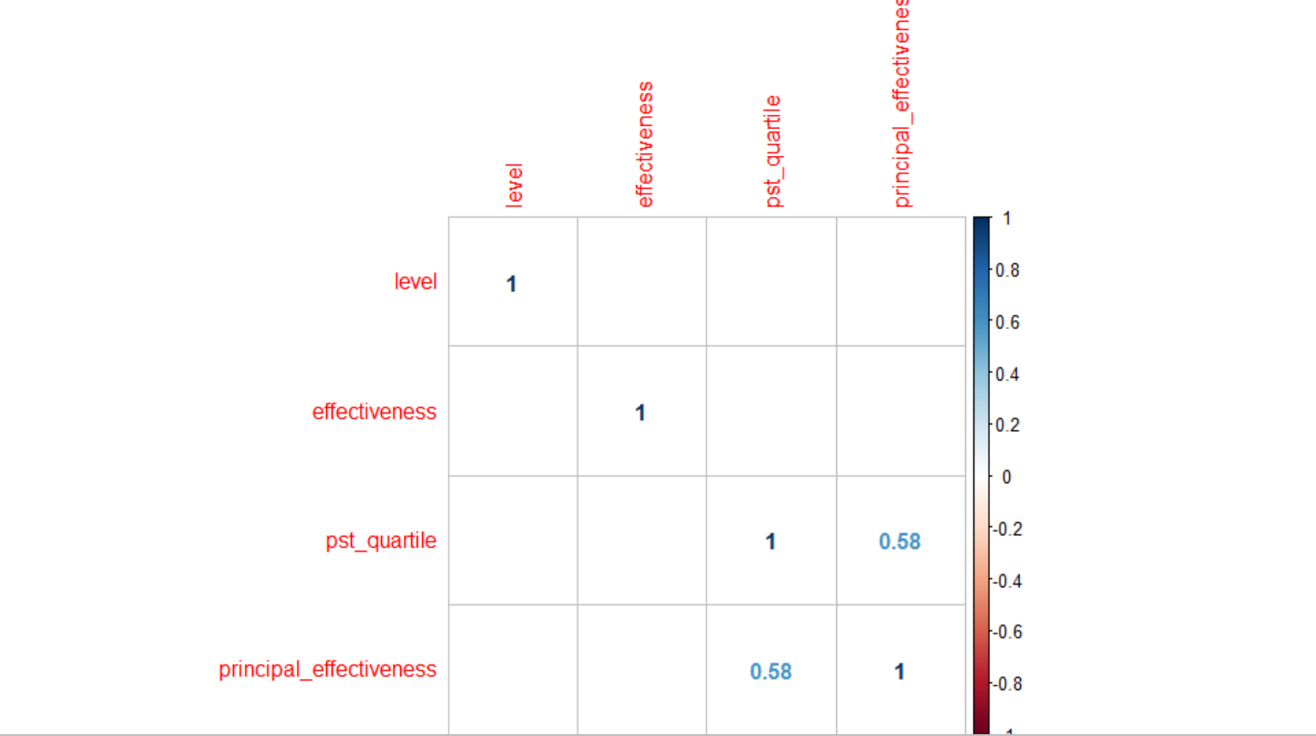
Kristin Donnelly | 3
Hugh Fletcher | 2
Kelly Johnston | 1
Marlowe Knipes | 3
Nadine Lewis | 2
Lori-Ann Lowe | 1
Rachel McSween | 3
Sam Mercuris | 2
Deirdre Metcalf | 3
Stacey Murray | 3
Claudette Oliveras | 2
Analia Penta | 2
Jason Petsch | 3
Fran Piccone | 2
Sohail Qureshi | 2
Lauren Ravit-Franceskin | 3
Patrice Saunders | 3
Ashley Steed | 2
Lamar Timmons | 3
Mary Williams | 1
Monique Wilson | 2

returner | d75 | pst_quartile | count
No | D75 | 2 | 1
No | D75 | 3 | 1
No | NA | 2 | 3
No | NA | 3 | 2
No | NA | 4 | 4
Yes | NA | 1 | 7
Yes | NA | 2 | 4
Yes | NA | 3 | 5
NA | D75 | 1 | 1
NA | D75 | 2 | 5
NA | D75 | 3 | 10
NA | D75 | 4 | 5
NA | NA | 1 | 21
NA | NA | 2 | 16
NA | NA | 3 | 16
NA | NA | 4 | 15

vs 2016
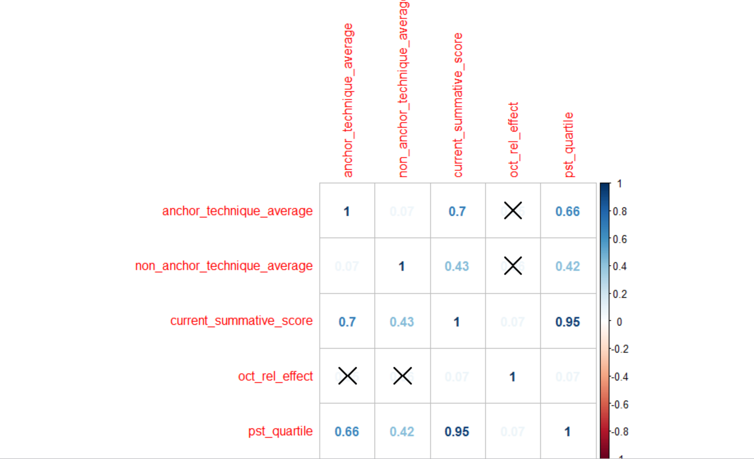
pst_june_2016_quartile | percent | count | pst_quartile_sept_2016 | percent | count
1 | 25.33% | 324 | 1 | 25.00% | 29
2 | 25.57% | 327 | 2 | 25.00% | 29
3 | 24.55% | 314 | 3 | 29.31% | 34
4 | 24.55% | 314 | 4 | 20.69% | 24
*quartiles are as follows--1=bottom 25%, 2=25-50%, 3=50-75%, 4= top 25%

mean_pst_score june 2016 | mean_pst_score sept 2016
2.53 | 2.67

sept_2016_effectiveness | mean_pst_rating |  | june_2016_effectiveness | mean_pst_rating
1 | 2.66 |  | 1 | 2.52
2 | 2.66 |  | 2 | 2.56
3 | 2.69 |  | 3 | 2.58
4 | 2.72 |  | 4 | 2.59

*similar trends in june and sept in terms of fdi effectiveness and PST scores.

Sept_2016_effectiveness | count | percent
1 | 12 | 10.34% |  |  |  | *oct_rel_effect is FDI effectiveness rating for the June 2016 cohort
2 | 82 | 70.69%
3 | 20 | 17.24%
4 | 2 | 1.72%

*slightly higher percentage of June 2016 Fellows in higher fdi effectiveness ratings

June 2016_effectiveness | count | percent
1 | 94 | 10.26%
2 | 587 | 64.08%
3 | 209 | 22.82%
4 | 26 | 2.84%

fyi and pip
effectiveness | fyi_range | count | fyi range | fyi count
1 | 1 | 12 | 1 | 0
2 | 1 | 67 | 2 | 1 to 4
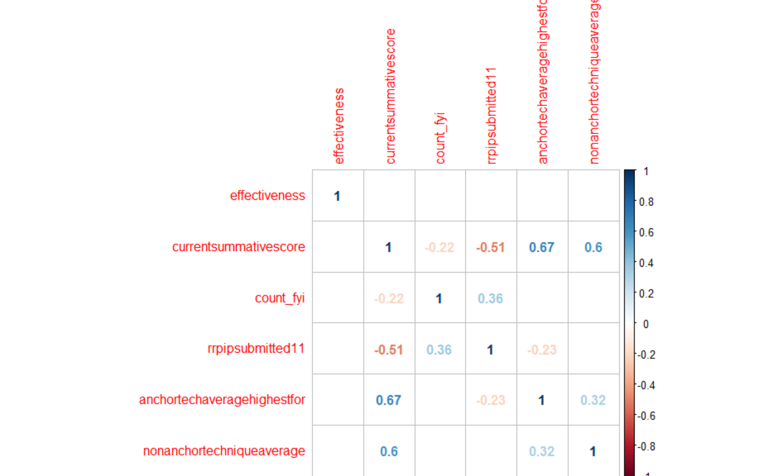
2 | 2 | 12 | 3 | 5+
2 | 3 | 3
3 | 1 | 18
3 | 2 | 2
4 | 1 | 2

*Low, insignificant correlation between FYIs and effectiveness from FDI
*strong negative correlation between number of PIPs and final PST scores

